Master
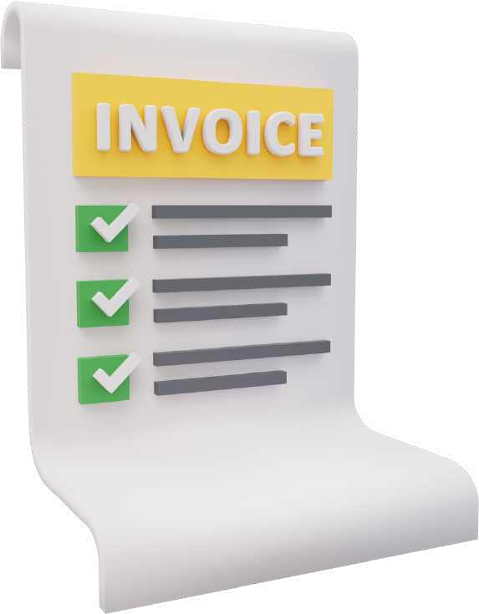








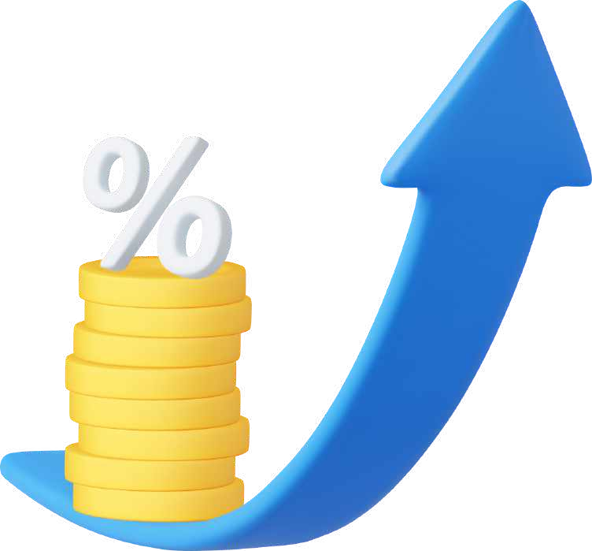

CASH KPIS | Cash Burn Rate | Average Days Delinquent | Operating Cash Flow | Free Cash Flow | Overdues Ratio | Days of Inventory Outstanding | Days Sales Outstanding | Days Payables Outstanding | Cash Conversion Cycle | Cash Reserves in Days
SaaS KPIS | Customer Churn Rate | New Buyer Growth Rate | Lifetime Value | Customer Acquisition Costs | Average Revenue Per User | RunWay | ARR Per FTE | SaaS Quick Ratio | Monthly Recurring Revenue | Total Addressable Market
INVENTORY KPIS | Average Inventory | Days on Hand | Stock to Sales Ratio | Cost of Carry | Backorder Rate | Sell-through Rate | Scrap rate | Time to receive | Inventory shrinkage | Dead Stock
INVESTORS KPIS | Return on Investment | Dividend Payout Ratio | Earnings per Share | Price-to- Earnings Ratio | Dividend Yield | Share buyback Ratio | Current Ratio | Quick Ratio | Gross Margin Ratio | Net Promoter Score
HEAD COUNT KPIS | Headcount | Full Time Equivalent | Revenue per Employee | Natural attrition | Capacity | Capacity increase flexibility | Capacity decrease flexibility | Noria effect | Absenteeism | Time to fill
CAPEX KPIS | Acquisition | Commitments Ratio | Asset Turnover | Return on Assets | Capitalized R&D | Payback Period | Internal Rate of Return | Net PreSent Value | Depreciation | Utilization
BALANCE SHEET KPIS | Maintenance Costs Ratio | Depreciation ExpenSe Ratio | Liability Aging Analysis | Liability Coverage Ratio | Interest Coverage Ratio | Assets Lifespan | Return on Capital Employed | Tangible Net Worth | Cash Flow Adequacy Ratio | Goodwill-to- Total Assets Ratio
TAX KPIS | Effective Tax Rate | Marginal Tax Rate | Taxable Income | Tax Provision | Deferred Tax Asset/Liability | Tax Compliance Rating | Tax Audit Rate | Tax Loss Carry forward | Tax Credits | Effective Tax Planning Rate
CEO KPIS | Revenue Growth | Market Share | Employee Productivity | Innovation Index | Brand Equity | Market Expansion | Sustainability Metrics | Employee Engagement | Employee Turnover | Cash Flow
OTHER KPIs | Return on Equity | Working Capital Ratio | Debt-to- Equity Ratio | Accounts Receivable Turnover | Accounts Payable Turnover | Gross Profit Margin | Net Profit Margin | Invoice processing time | Fixed Asset Turnover | Inventory Turnover

